Sheet1
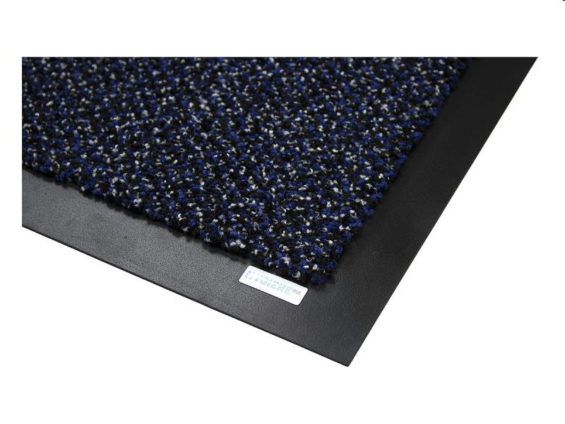
Picture | Item code | Description | Extra information | Restriction | Stock | Sales price EXW | Retail price | Barcode | Quantity PU | Quantity pallet | Pallet | Origin | Customs code | Item weight | Languages on package | Group
 | S-09560 | Mat roll Cosmopolitan 13 blue 200cm wide (m2) | RC000747 |  | 124 | 5 | 6.5 | NO EAN |  |  |  | B | 57032098 | 0 |  | Mat roll Cosmopolitan 13 blue 200cm wide (m2)

